Graphs
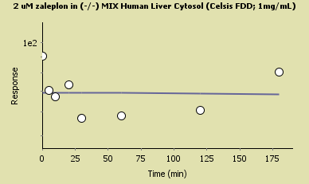
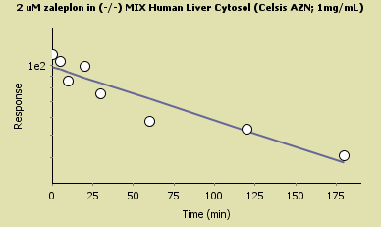
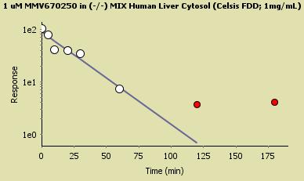
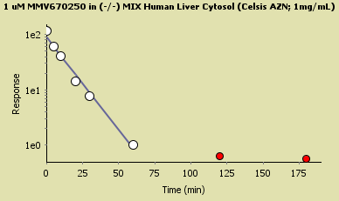
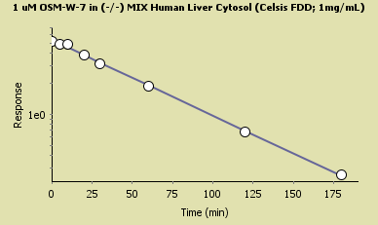
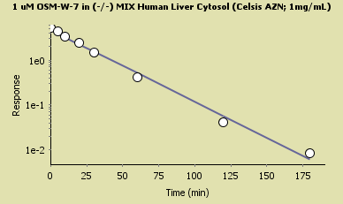
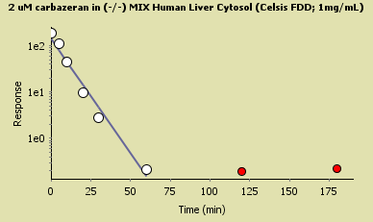
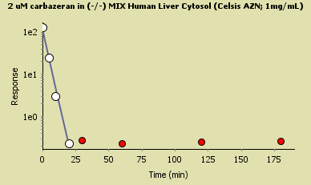
 |  | 2 uM substrate | FDD | AZN | fold difference
 | Standard | Carbazeran | 230 | 630 | 2.7
 | Allopurinol-Free | Zoniporide | 13 | 29 | 2.2
 |  | Zaleplon | 3.9 | 10 | 2.6

 | Zaleplon clearance in Cytosol FDD is <3.9 ul/min/mg - the lowest measurable value is reported here

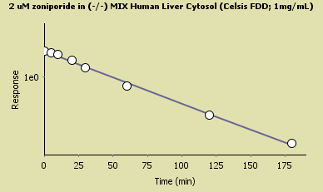
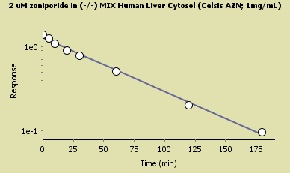

All three AO substrates have 2-3X higher clearance in the Allopurinol-free cytosol due to higher AO activity, not XO.

